12SVH200800.asc
12SVH200800.asc
Correlates with mountain2.png
12SVH200800.asc

 | 1688.00 | 25485
 | 1739.47 | 194414
 | 1790.94 | 345558
 | 1842.41 | 414231
 | 1893.88 | 386876
 | 1945.34 | 461860
 | 1996.81 | 622638
 | 2048.28 | 641146
 | 2099.75 | 818274
 | 2151.22 | 1823418
 | 2202.69 | 2273858
 | 2254.16 | 1861976
 | 2305.63 | 1175143
 | 2357.09 | 674686
 | 2408.56 | 454114
 | 2460.03 | 349094
 | 2511.50 | 365538
 | 2562.97 | 296873
 | 2614.44 | 220348
 | 2665.91 | 232858
 | 2717.38 | 216495
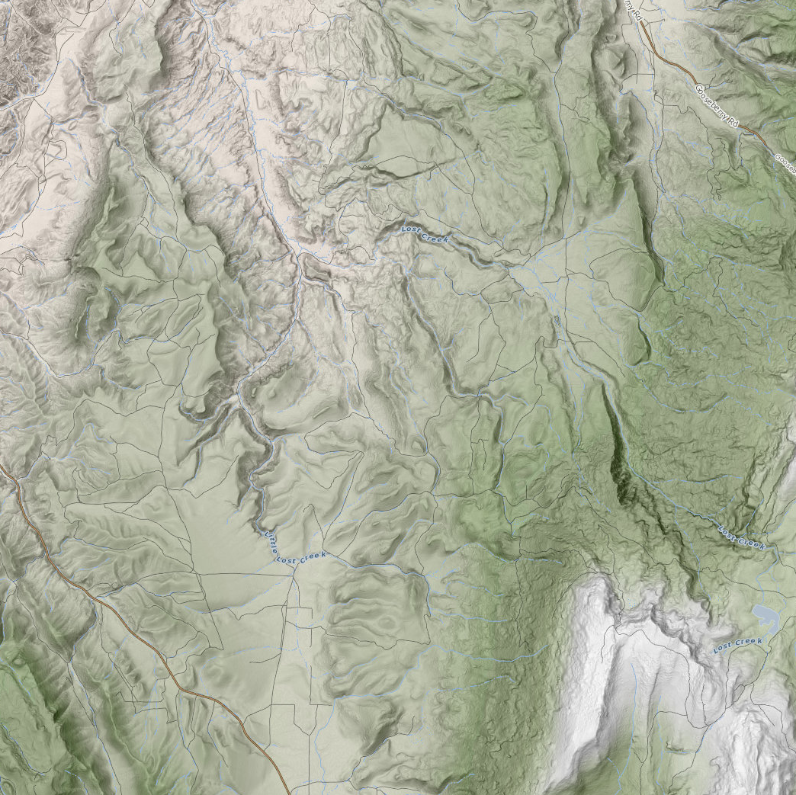
 | 2768.84 | 211951
 | 2820.31 | 200359
 | 2871.78 | 192882
 | 2923.25 | 346922
 | 2974.72 | 288040
 | 3026.19 | 264956
 | 3077.66 | 231413
 | 3129.13 | 168375
 | 3180.59 | 161097
 | 3232.06 | 63727
 | 3283.53 | 15395

